Sheet1
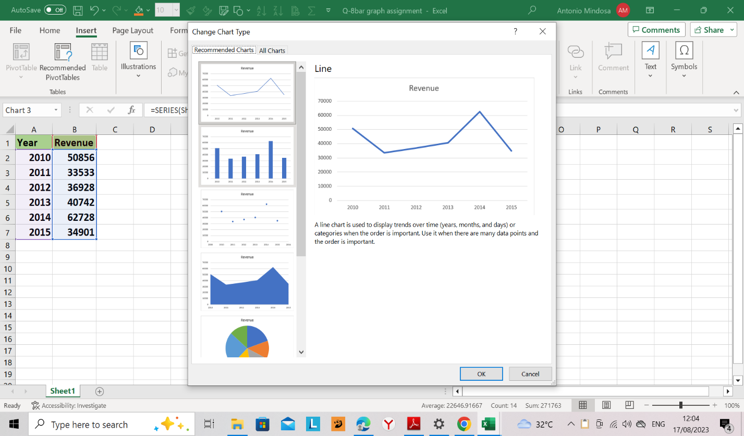
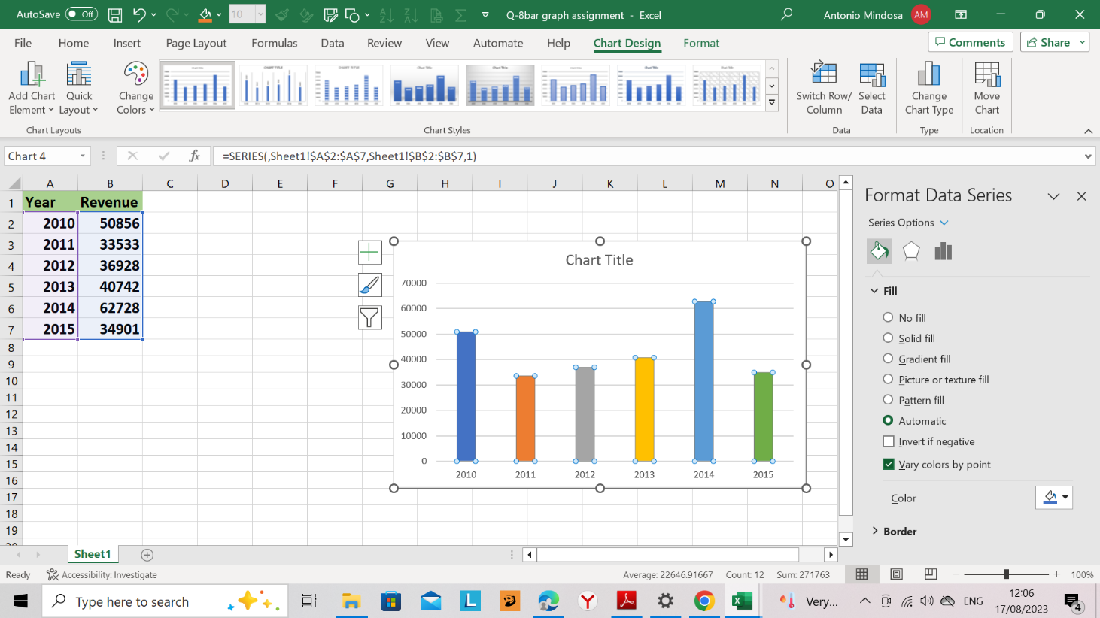
Year | Revenue
2010 | 50856
2011 | 33533
2012 | 36928
2013 | 40742
2014 | 62728
2015 | 34901

